Bug Report
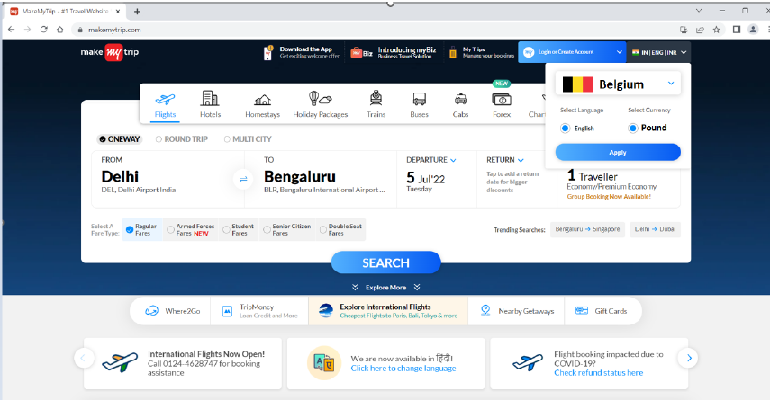
ID Number | #1
Name | Belgium country flag is not displayed correctly
Reporter | Sharmila G
Submit Date | 2025-09-28
Summary | The Belgium country flag is not displayed correctly in the Country drodpown list
URL | https://www.makemytrip.com/
Screenshot | Screenshot attached below
Platform | Web
Operating system | Windows 11
Browser | Chrome browser
Severity | Medium
Assigned to | (Developer name)

Description:
Belgium country flag is not displayed correctly in the Country drodpown list

Steps to Reproduce:
1. Launch MakeMyTrip application
2. Click the country dropdown list
3.Select Belgium option
4.Observe the flag icon before the Country name

Actual result:
The Belgium flag icon is not displayed correctly/missing

Expected result:
The Belgium country flag should be displayed as expected before the country name

